Cover Page
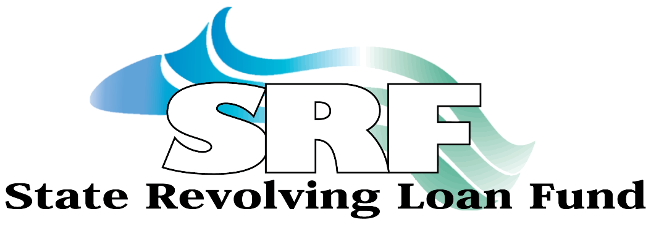

Making a Difference
for Maine Communities

DRINKING WATER SRF
FINANCIAL APPLICATION

Revenue Borrowers - Districts

Jeremy McDaniel Kristi Lamoreau
SRF Program Officer SRF Program Officer
(207) 620-1473 207-620-1466
jmcdaniel@mmbb.com klamoreau@mmbb.com

127 Community Drive, Augusta, Maine 04330
(207) 622-9386

